Simple
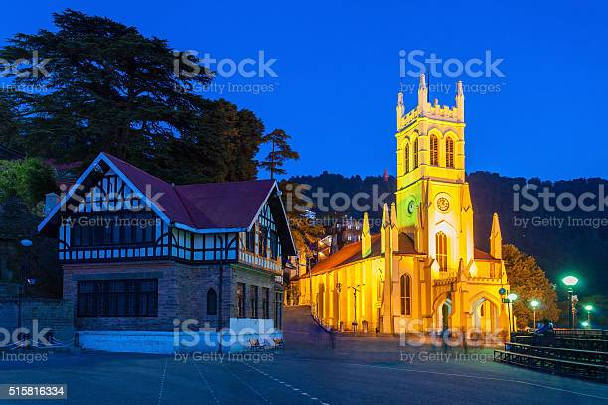
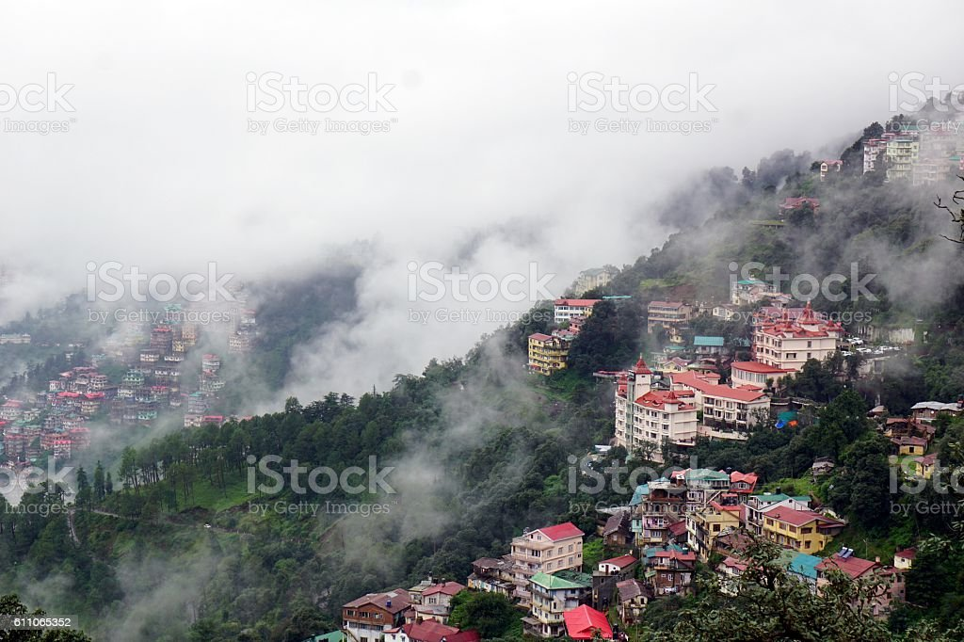
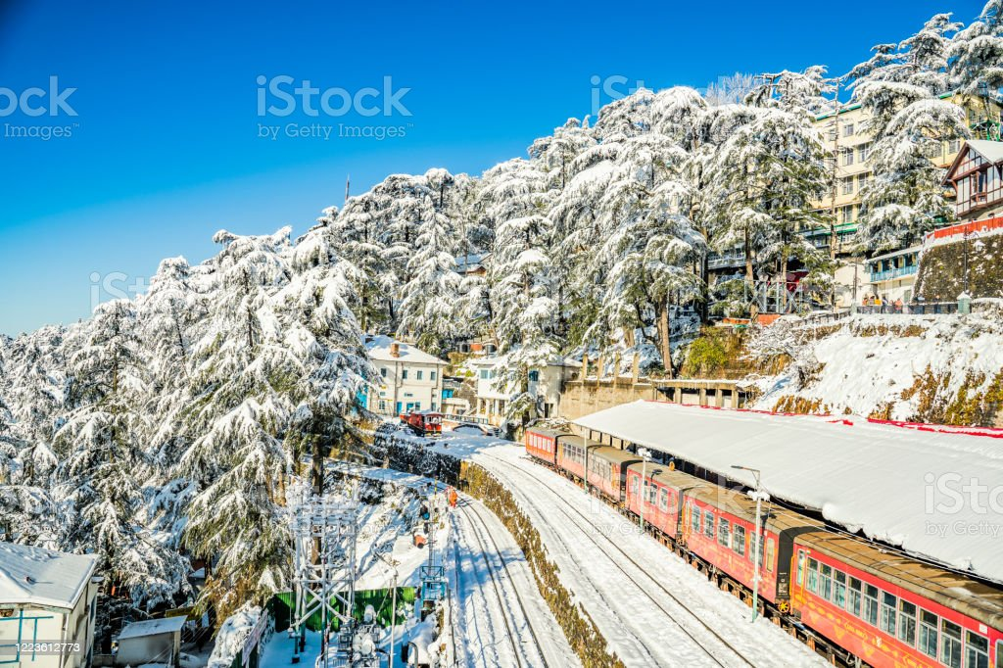
1 | Rohit | 12 | C:\Users\Netgen-Dev\PHPEXCEl\public/image/abcd.jpg | ABCD | 4 | 1
1 | 1.5 | 12 | C:\Users\Netgen-Dev\PHPEXCEl\public/image/image1.jpg | ABCD | 4 | 1
2 | 3 | 1 | C:\Users\Netgen-Dev\PHPEXCEl\public/image/image2.jpg | hahaha | 1 | 1
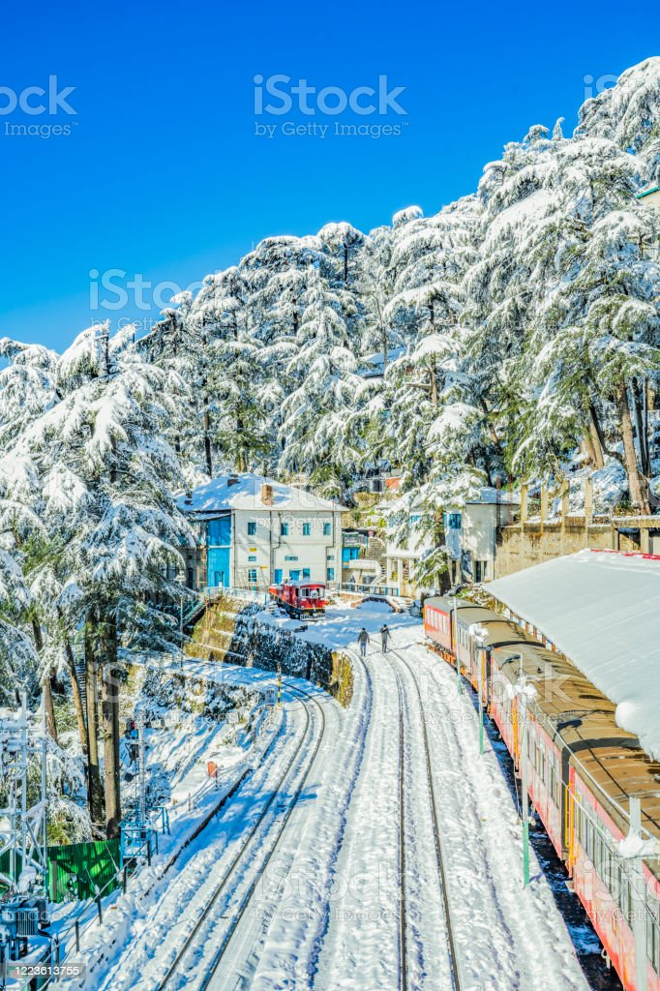
2 | 1.5 | 12 | C:\Users\Netgen-Dev\PHPEXCEl\public/image/image3.jpg | ABCD | 4 | 1

